Charts
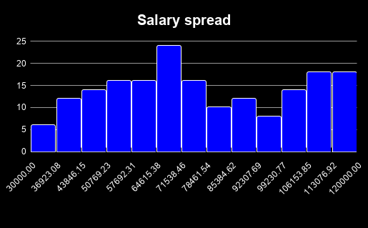
Relationship between Salary and Rating
COUNTA of Name vs. Year

INDvsNZ
India |  |  | New zeland
Count of staff | Female Ratio | Average salary | Count of staff | Female Ratio | Average salary
93 | 47.31% | $76,899.35 | 91 | 46.15% | $77,843.96

COUNTA of Name vs. Department
COUNTA of Name vs. Department
Headcount by Department

